Risks Management
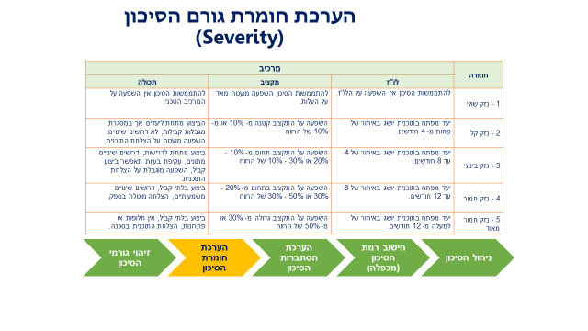
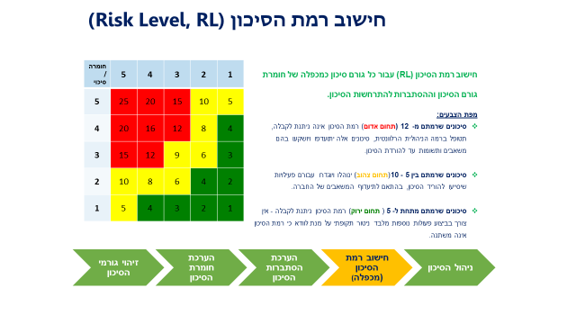
Risks Description |  |  |  |  |  |  | Mitigation Plan |  |  | Follow-up
ID | Title | Risk Description | Initial Severity | Initial Probability | Risk Level | Estimated Date to risk to Occur | Mitigation Plan | Owner | Due Date | Follow-up Due Date | Actual Date | Severity | Probability | Risk Level
1 |  |  |  |  | 0 |  |  |  |  |  |  |  |  | 0
2 |  |  |  |  | 0 |  |  |  |  |  |  |  |  | 0
3 |  |  |  |  | 0 |  |  |  |  |  |  |  |  | 0
4 |  |  |  |  |  |  |  |  |  |  |  |  |  | 0
5 |  |  |  |  | 0 |  |  |  |  |  |  |  |  | 0
6 |  |  |  |  | 0 |  |  |  |  |  |  |  |  | 0
7 |  |  |  |  | 0 |  |  |  |  |  |  |  |  | 0
8 |  |  |  |  | 0 |  |  |  |  |  |  |  |  | 0
9 |  |  |  |  | 0 |  |  |  |  |  |  |  |  | 0
10 |  |  |  |  | 0 |  |  |  |  |  |  |  |  | 0

